Ingredients for Recipe 1
Sourced from shengsiong.com.sg

No. | Ingredient name in recipe | Quantity | Unit of measurement | Name of closest matching product | Photo of product | Quantity per unit | Number of units needed | Price per unit | Total price for ingredient
1a | Chicken breast | 2.2 | kg | Avivar Frozen Chicken Breast | 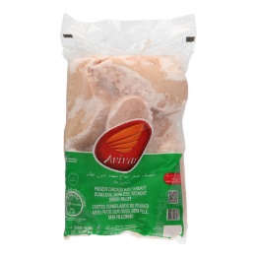 | 2 | 2 | 11.95 | 23.9
1b | Pork tenderloin | 2.2 | kg | Australia Pork Fillet |  | 0.25 | 9 | 7.95 | 71.55
2 | Salt | 2 | g | Pagoda fine salt | 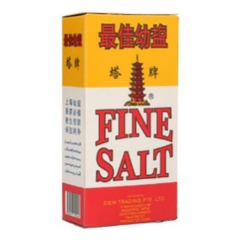 | 500 | 1 | 0.7 | 0.7
3 | Pepper | 2 | g | Happy Family Black Pepper Powder |  | 35 | 1 | 1.96 | 1.96
4 | Herbs or aromatics | 0.5 | g | MasterFoods Mixed Herbs |  | 10 | 1 | 3.93 | 3.93
5 | Cooking spray | 15 | ml (1 tablespoon) | Knife Cooking Oil |  | 1000 | 1 | 4.79 | 4.79 | Used cooking oil to substitue
 |  |  |  |  |  |  |  | Total price: | 106.83

Ingredients for Recipe 2
Sourced from shengsiong.com.sg

No. | Ingredient name in recipe | Quantity | Unit of measurement | Name of closest matching product | Photo of product | Quantity per unit | Number of units needed | Price per unit | Total price for ingredient
1 | Eggs | 7 | - | Fresh eggs |  | 10 | 1 | 2.75 | 2.75
2 | Ground turkey | 900 | g | Ballgus Turkey Ham | 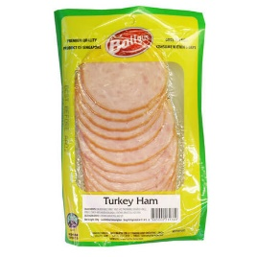 | 200 | 5 | 3.83 | 19.15 | *Promotion pricing of 6.95 for 2 packets
3 | Sage | 1 | g | - | - | - | #VALUE! | - |  | Not found
4 | Onion Powder | 1 | g | - | - | - | #VALUE! | - |  | Not found
5 | Garlic powder | 8 | g | Mccormick Garlic Powder | 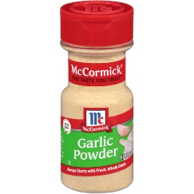 | 88 | 1 | 9.48 | 9.48
6 | Fine sea salt | 12 | g | Pagoda fine salt |  | 500 | 1 | 0.7 | 0.7
7 | Cayenne powder | 0.5 | g | - | - | - | #VALUE! | - |  | Not found
8 | Black pepper | 0.5 | g | Happy Family Black Pepper Powder | 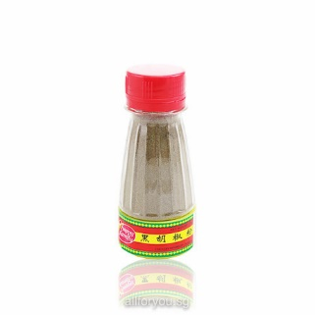 | 35 | 1 | 1.96 | 1.96
9 | Whole wheat bread | 14 | Slices | Sunshine Enriched Softmeal Whole Grain Bread | 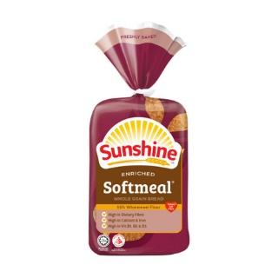 | 14 | 1 | 3.1 | 3.1 | Estimated 14 slices of bread in 1 loaf
 |  |  |  |  |  |  |  | Total price: | 37.14

